1. Evaluate array formulas
Array formulae, allow you to carry out conditional calculations on multiple cells at once, like SUMIF and COUNTIF but much more powerful.
An array is a set of sequentially indexed elements having the same intrinsic data type. Each element of an array has a unique identifying index number. Changes made to one element of an array don't affect the other elements.
This is a simple array formula: '{=SUM((B2:B16<=40)*(C2:C16>35000)*(A2:A16="A"))}
It says, find how many people are younger than 40 (Column B) in country A (Column A) who make more than $45,000 (Column C).
The bit (A2:A16="A") is a logical test and returns TRUE or FALSE, which, when multiplied by something, becomes 1 or 0. This means that Excel adds up all the values in column A, multiplying them by either 0 or 1 . This means only the ones multiplied by 1 are included, ie only those where A1 equals the country"A".
Country | Age | Salary
A | 30 | $47,000 | How many people are younger than 40 in country A who make more than $45,000?
B | 53 | $34,000
B | 54 | $30,000 | 3 | {=SUM((B2:B16<=40)*(C2:C16>35000)*(A2:A16="A"))}
E | 39 | $57,000
A | 26 | $27,000 | Use the Evaluate Formula Tool to make sure the formula is calculating correctly.
C | 20 | $45,000 | Find it under the Formulas Tab in the Formula Auditing section.
Note: In Excel 2003, the tool can be found under Tools > Formula Auditing > Evaluate Formula.
C | 21 | $43,000
E | 40 | $47,000
B | 31 | $45,000
A | 26 | $33,000
D | 31 | $60,000
D | 32 | $39,000
A | 25 | $41,000 | Select the cell which contains the formula you wish to evaluate and click the Evaluate Formula Tool.
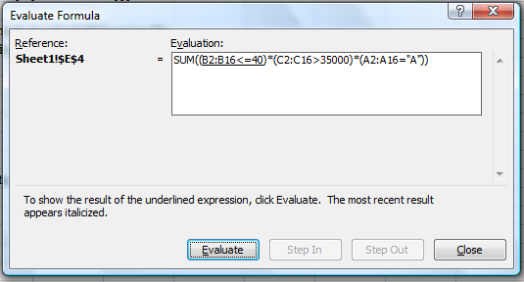
E | 33 | $35,000
A | 38 | $74,000

 |  |  | Clicking evaluate shows how the formula determines the array values...
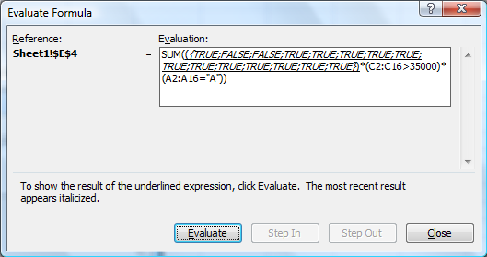

 |  |  | ... And how it creates a serious of 1s and 0s to multiply together.

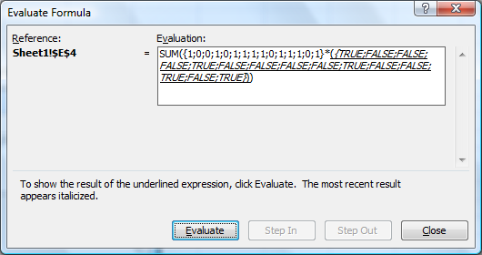

 |  |  | Clicking the "Evaluate" button will calculate the underlined portion of the formula shown in the text box.
 |  |  | When you begin evaluating, any text showing in italics will be the result from the previously underlined portion of the formula.

 |  |  | "Step In" is used to show the value of a reference in the formula. For example:

 |  |  | 50 | 60
 |  |  | 110 | =E37+A37

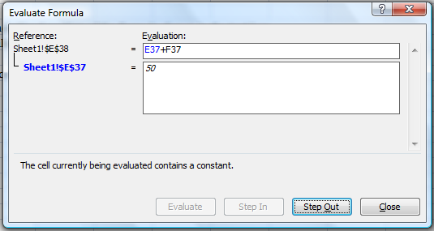

 |  |  | Click "Step Out" to return to evaluating the remainder of the formula.

